1. Title Page
Instacart Grocery Basket Analysis

Project Name: Instacart Grocery Basket Analysis
Date: 01/17/2024
Analyst Name: Tony Soewignjo

Contents:
Population Flow
Consistency checks
Wrangling steps
Column derivations
Visualizations
Recommendations

Context The Instacart stakeholders are most interested in the variety of customers in their database along with their purchasing behaviors. They assume they can't target everyone using the same methods, and they’re considering a targeted marketing strategy. They want to target different customers with applicable marketing campaigns to see whether they have an effect on the sale of their products. Your analysis will inform what this strategy might look like to ensure Instacart targets the right customer profiles with the appropriate products. The stakeholders would like to be able to answer the following key questions:

Key Questions ● The sales team needs to know what the busiest days of the week and hours of the day are (i.e., the days and times with the most orders) in order to schedule ads at times when there are fewer orders. ● They also want to know whether there are particular times of the day when people spend the most money, as this might inform the type of products they advertise at these times. ● Instacart has a lot of products with different price tags. Marketing and sales want to use simpler price range groupings to help direct their efforts. ● Are there certain types of products that are more popular than others? The marketing and sales teams want to know which departments have the highest frequency of product orders.

Instacart Data Sets: ● Data Dictionary ● Citation: “The Instacart Online Grocery Shopping Dataset 2017”, Accessed from www.instacart.com/datasets/grocery-shopping-2017 via Kaggle on 12/15/23

2. Population Flow
Title page

Population flow

Exclusion flag
Condition: max_order < 5
Observations to be removed: 1441548
Final total count of order_products_all: 30,992,664

Orders_products_combined
Orders_products_merged
Orders_products_all

Total: 32,434,489
Total: 32,404,859
Total: 32,404,859

1.) The grey boxes in the first row of the population flow represent the original data sets as they were when you downloaded them. In the Total fields you need to add the count of the rows when you imported the data set into Jupyter.
2.) The second row of boxes (coloured) represents the data sets after you manipulated them, e.g., removed missing values and duplicates. In the Total fields you need to add the count of the rows after conducting these operations. This offers a visual oveview of how the data flows throughout the data consistency checks.
3.) The third row, where also the arrows are coloured, represents the merges you performed between the datasets. In the Total fields you need to add the count of the rows in the merged datasets, so that you end up with the final dataset (in the red box). Keep in mind the final dataset should be without exclusions (based on the exclusion flag).

3. Consistency checks
 |  |  |  | Title page
Consistency checks

Dataset | Missing values | Missing values treatment | Duplicates
orders | 206209 missing data in days_since_prior_order | Leave them alone because they are part of the data | None
products | 16 missing data in product_name | Remove 16 rows with missing values | 5 duplicates found and removed
orders_products_prior | 5127 wrong data in prices | Replace them with NaN | None
customers | 11259 missing values in first_name | Leave them alone because we can still use data without first name | None

4. Wrangling steps
 |  |  |  | Title page
Wrangling steps

Columns dropped | Columns renamed | Columns' type changed | Comment/Reason
 | order_dow to orders_day_of_week |  | readability
eval_set |  |  | no need
 |  | order_id | exclude from stat analysis
 |  | user_id | exclude from stat analysis
 | "First Name" to first_name |  | readability
 | "Surname" to last_name |  | readability
 | "Gender" to gender |  | readability
 | "STATE" to state |  | readability
 | "Age" to age |  | readability
 | "date_joined" to date_join |  | readability
 | "n_dependents" to dependents |  | readability
 | "fam_status" to married |  | readability
_merge |  |  | no need

5. Column derivations
 |  |  |  | Title page

Column derivations and aggregations

In this tab you should add tables below that the frequences of flags/label variables that you produced after deriving them. NB: don't do this for continuous variables, only for flags.
Dataset | New column | Column/s it was derived from | Conditions
ord_prod_combined | price_label | prices | Low-range: <=5 Mid-range: > 5, <= 15 High-range: > 15
ord_prod_combined | busiest_day | orders_day_of_week | Saturday: Most busy Wednesday: Least busy Others: Regular busy
ord_prod_combined | two_busiest_days | orders_day_of_week | Sat & Sun: Most busy Tue & Wed: Least busy Others: Regular busy
ord_prod_combined | busiest_period_of_day | order_hour_of_day | most_orders = [10,11,14,15,13,12,16,9] least_orders = [3,4,2,5,1,0,6]
ord_prod_combined | max_order | user_id & order_number | max order number from each user_id
ord_prod_combined | loyalty_flag | max_order | Loyal: > 40 max order Regular: > 10, <= 40 New: <= 10
ord_prod_combined | avg_spend | user_id & prices | average prices per user_id
ord_prod_combined | spend_flag | avg_spend | High spender: >=10 Low spender: <10
ord_prod_combined | median_order_day | user_id & days_since_prior_order | median of days_since_prior_order per user_id
ord_prod_combined | freq_customer | median_order_day | Freq customer: <=10 Reg customer: >10, <=20 Non freq customer: > 20
ord_prod_combined | region | state | grouping of various states in 4 regions
ord_prod_combined | activity_flag | max_order | High activity: >= 5 Low activity: <5
ord_prod_combined | income_flag | income | Low income: <= 60k Mid income: > 60k, <= 150k High income: > 150k
ord_prod_combined | sum_per_order | prices & order_id | total spending per order_id
ord_prod_combined | profile | age, married & dependents | young parents: <45, dependents > 0 older parents: >=45, dependents >0 young single: <45, not married older single: >=45, not married

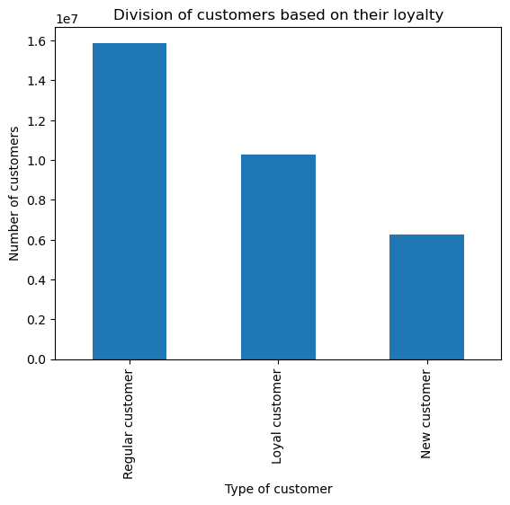
5. What’s the distribution among users in regards to their brand loyalty (i.e., how

6. Visualizations
 |  | Title page

Visualisations

In this tab you should include all the visualizations from Exercises 4.9 and 4.10, alongside the questions from the project brief that they answer. Include any commentary on the relationship between different variables.

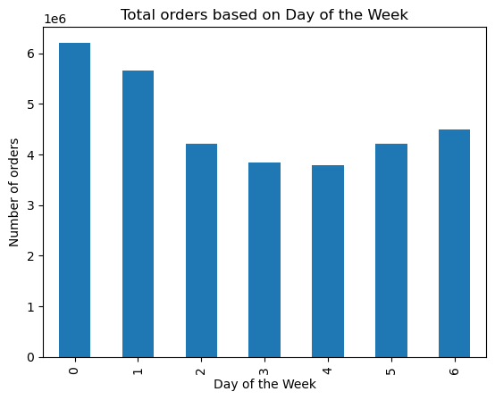
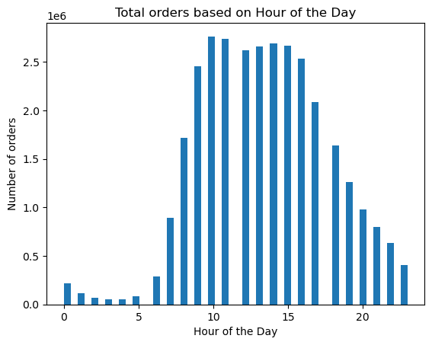
Key Questions
1. The sales team needs to know what the busiest days of the week and hours of the
day are (i.e., the days and times with the most orders) in order to schedule ads at
times when there are fewer orders.

Comments:
The busiest days are Saturdays followed by Sundays. This is typical for most people
who work Monday through Friday, they will do shopping on the weekends.
The busiest hours are from 9AM to 6PM.

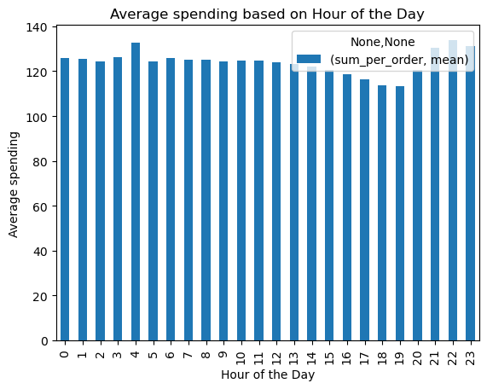

2. They also want to know whether there are particular times of the day when people
spend the most money, as this might inform the type of products they advertise at
these times.

Comments:
In general people spend about the same average of money around the clock.
However there is a slightly increased amount between 9PM and 11PM, and also
at 4AM.

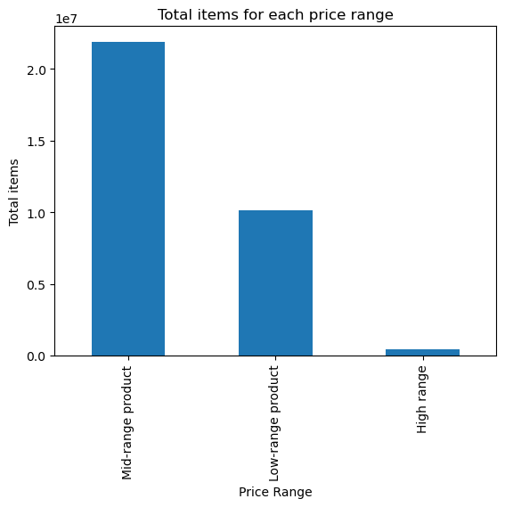

3. Instacart has a lot of products with different price tags. Marketing and sales want to
use simpler price range groupings to help direct their efforts.

Comments:
The biggest proportion of products fall into Mid-range category of price range.
There is only very small number of High-range products.

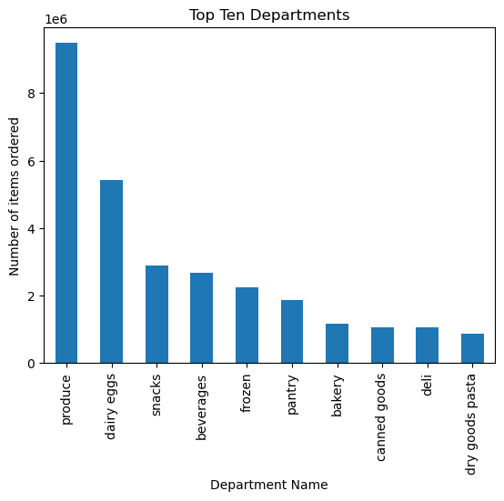

4. Are there certain types of products that are more popular than others? The
marketing and sales teams want to know which departments have the highest
frequency of product orders.

Comments:
Top ten department with highest frequency of orders:
Produce, Dairy Eggs, Snacks, Beverages, Frozen, Pantry, Bakery
Canned goods, Deli, Dry goods pasta.

The marketing and sales teams are particularly interested in the different types of
customers in their system and how their ordering behaviors differ. For example:

5. What’s the distribution among users in regards to their brand loyalty (i.e., how
often do they return to Instacart)?

Comments:
The graph shows that the largest customer group is Regular customers, followed
by Loyal and New customers.

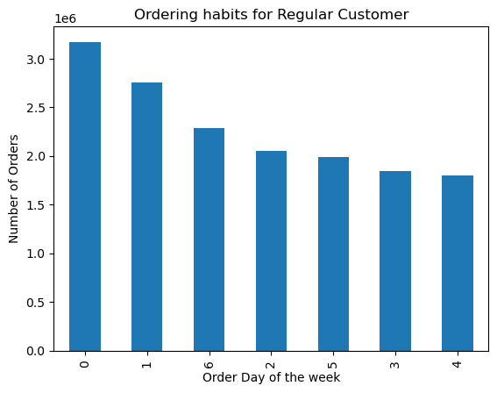
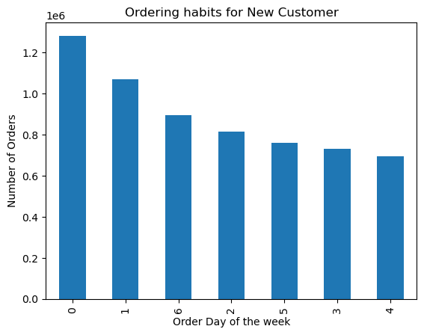
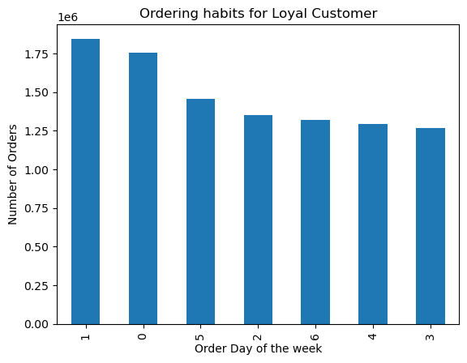
6. Are there differences in ordering habits based on a customer’s loyalty status?

Comments:
New and regular customers tend to shop more on Saturdays while Loyal
customers have slightly higher number on Sundays.

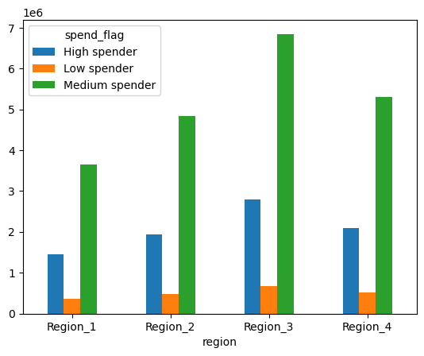

7. Are there differences in ordering habits based on a customer’s region?

Comments:
Graphs from 4 regions below show that there is a strong similarity in customer
ordering habits in day of the week with Saturdays and Sundays as the lead.
Also the crosstab on the right shows that in all regions most customers are considered Medium Spender.
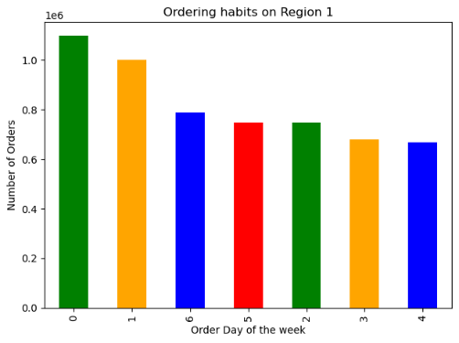

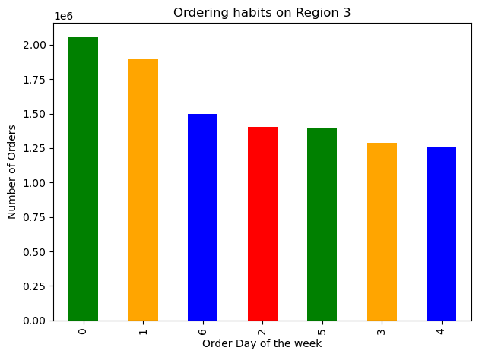


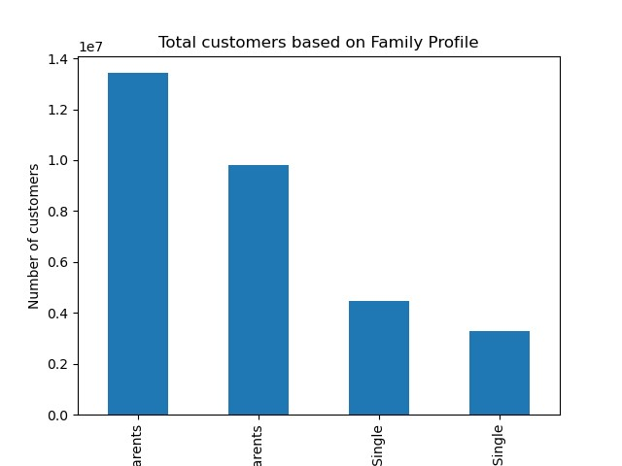

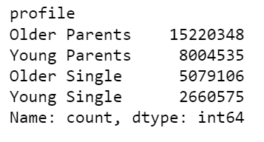

8. Is there a connection between age and family status in terms of ordering
habits?

Comments:
First of all we divide family profiles into 4 groups: Older and Younger Parents, Older and Younger Singles. Based on which departments they order from, they all show strong similarities.

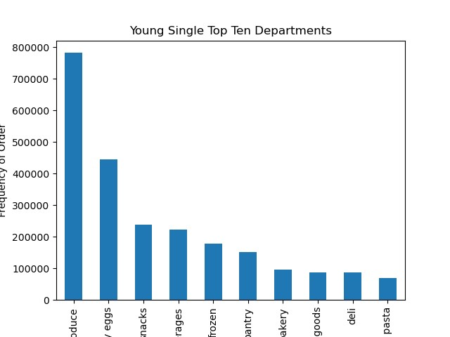 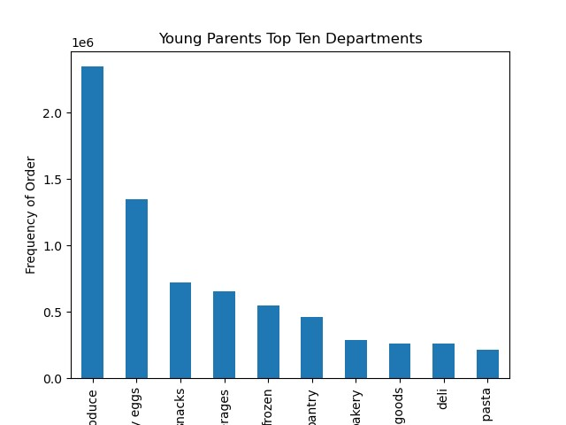  | 

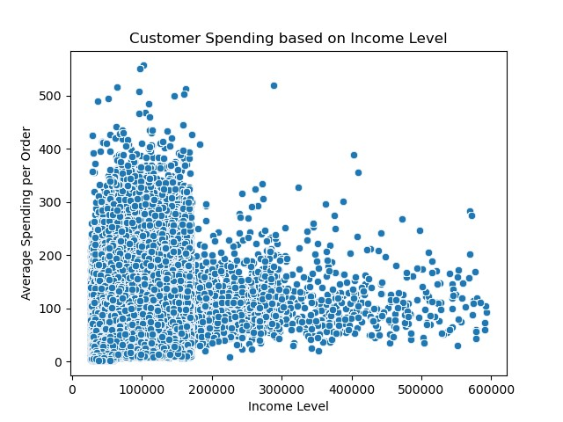
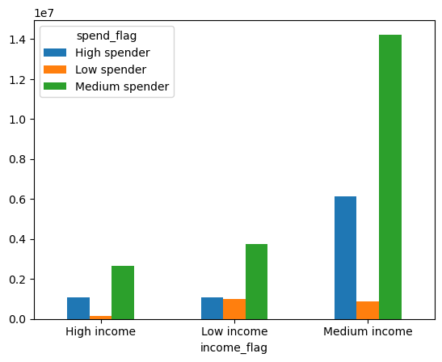
9. What different classifications does the demographic information suggest?
Age? Income? Certain types of goods? Family status?

Comments:
The graph on the left shows that with the older the customers the higher the income. However income level jumps significantly after age 40 and the concentration of people with income between 200k to 300k also increase substantially.

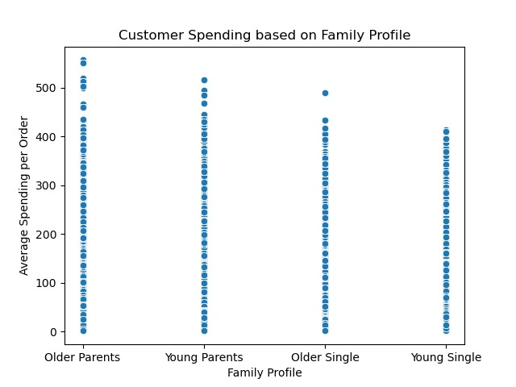

10. What differences can you find in ordering habits of different customer profiles? Consider the price of orders, the frequency of orders, the products customers are ordering, and anything else you can think of.

Comments:
First of all, from the family profile we can tell that older parents tend to spend more than the rest of the group, with young singles are the least in spending.

7. Recommendations
 |  | Title page

Recommendations

In this tab you should include any recommendations you would made to Instcart in terms of their marketing strategy based on the questions posed in the brief. Every key question has been covered in the Tasks of the Exercises - here you need to add an item - a visualisation or table/crosstable that is showing the answer in the data, acompanied by a comment from you. Please, list the questions below and add the answer underneath.

Question | Answer
1. What are the busiest days of the week and hours of the day? | Since weekends already have busy orders, sales team may want to run ads on the weekdays. And they may target people from 6PM to 6AM where orders are the slowest.
2. What particular times of the day customers spend most money? | The highest average spending is between 9PM and 11PM, and around 4AM. Those are the good times to advertise products.
3. Marketing and sales want to use simpler price range groupings to help direct their efforts. | Most producst fall into Mid-range price, and there is a very small number on High-range. Sales should focus on products with Mid-range price.
4. Which departments have the highest frequency of product orders? | The top three depts are produce, dairy eggs, and snacks. They can shift their ads to less popular dept products.
5. How often customers return (loyal) to InstaCart? | The graph shows that Regular customers is the largest group while the least is New customers. They can run incentive program to attract New customers so they will move to Regular, and eventually to Loyal customers.
6. What are the ordering habits based on loyalty status? | All three groups of Loyalty status shows very similar pattern in ordering. This means no differentiation can be made based on this analysis.
7. Are there different ordering habits based on different regions? | There is no major difference in ordering habits in four regions.
8. Are there different ordering habits between age and family status? | In terms of department products all groups in age and family status show similar pattern in their orders. But since older parents spend the most in orders sales team might target them as potential buyers.
9. What the relationship between age, income and spending level? | Marketing should focus to advertise to customers over 40 because have significantly higher income, but also maintain relationship with customers with income under $200k because they are the largest demographic. Sales team might try to find more products that will be suitable for people with higher income.

